Sheet1
 |  | Document No. | Issue No. | Issue Date |  | Review and Replace Date |  | Authorised By
 |  | GFF189MC | 1 | 08.09.2020 |  | New Issue
 |  | Document Title | Sweet & Sour Chicken with Egg Fried Rice 400g
 |  |  |  |  |  |  |  | Magda Shah
Document amendments reason for change |  | New documentation | Page 1 of 1 |  | Previous Issue Date |  | New Issue | Uncontrolled copy unless signed original

CCSSR1-R4TEB | BOOTHS |  | Sweet & Sour Chicken with Egg Fried Rice 400g
STEP 1 |  |  |  |  | STEP 2
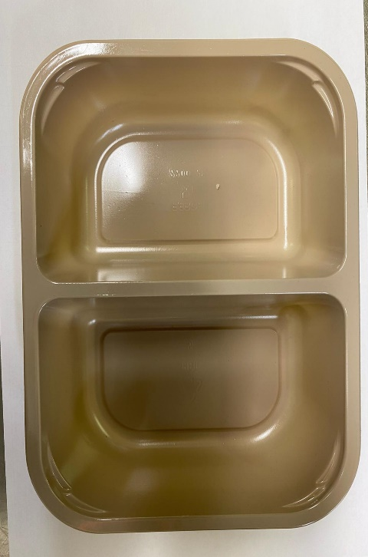 |  |  |  |  | 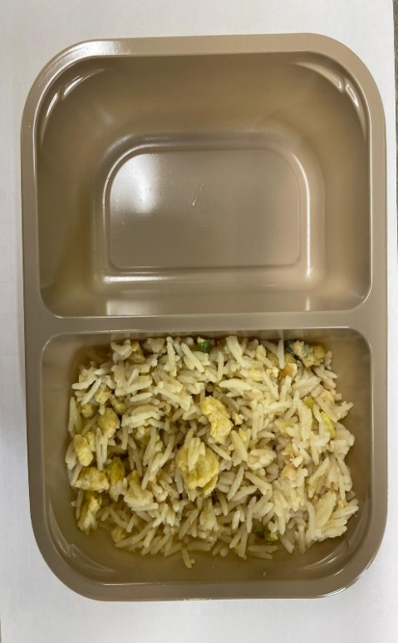

Tray: EVOLVE CPET 2200-2F (PKRHP001-10) |  |  |  |  | EGG FRIED RICE (GFF153R): 160g
Line 1: Mylar 250LAF 250mm x 1000 (PKWRA001-08)
Line 1: K-Peel 75G + AF 25 250mm (PKKMP001-01)
Line 2: Mylar 25OLAF - 380mm wide (PKWRA001-02)
STEP 3 |  |  |  |  | STEP 4
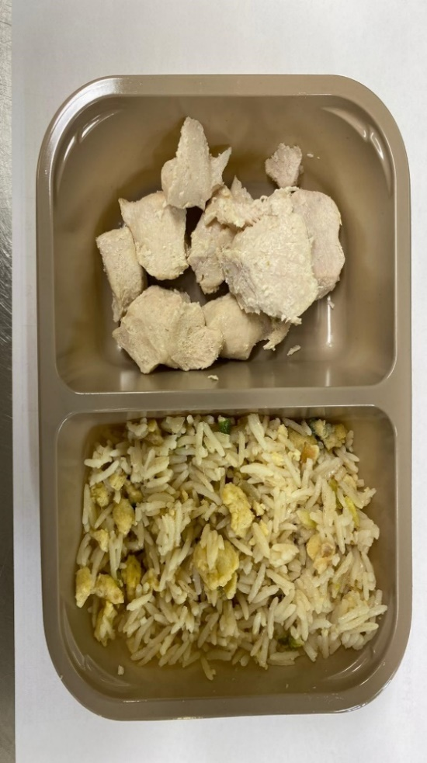 |  |  |  |  | 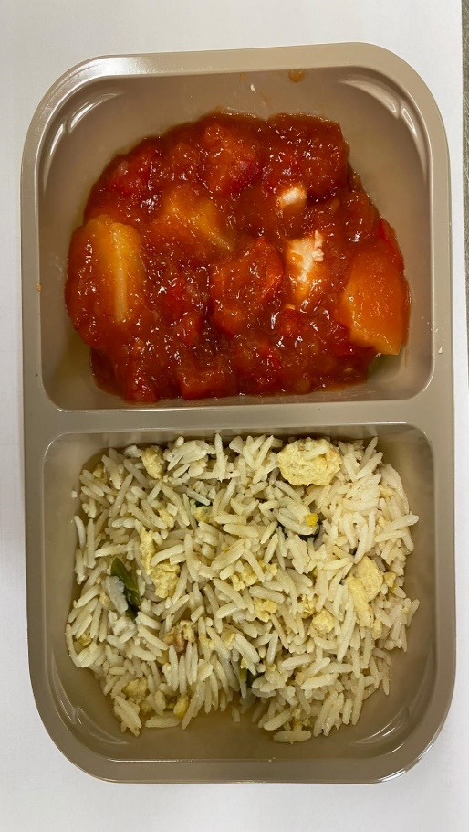

BRITISH MARINATED CHICKEN12-14G(GFF164R): 75g |  |  |  |  | SWEET & SOUR SAUCE (GFF146R): 165 g
 |  |  |  |  | TOTAL WEIGHT:400G
ALLERGY ALERT: Barley, Soya, Wheat, Sesame, Egg

